Mitigation Plan
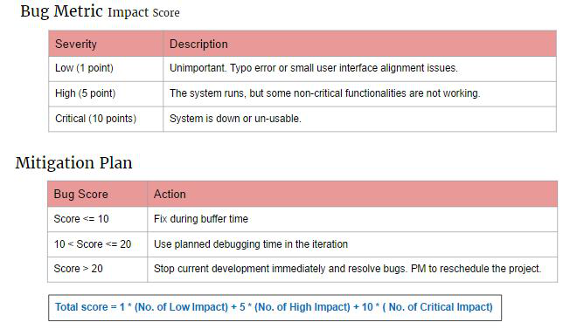

0 | Fix during buffer time
11 | Use planned debugging time in the iteration
21 | Stop current development immediately and resolve bugs. PM to reschedule the project

Bug Log Iter 1-10
Bug Metric
 | Low Impact | High Impact | Critical Bug
 | 12 | 5 | 0
 | 7 | 5 | 0
 | 4 | 10 | 20
 | 3 | 10 | 10
 | 5 | 10 | 10
 | 6 | 5 | 0
 | 9 | 5 | 0
 | 4 | 10 | 10
 | 5 | 5 | 0
 | 8 | 5
 | 5 | 5 | 0
Iteration | Task | Low Impact Bugs | High Impact Bugs | Critical Bugs | Score | Actions Taken
2 | Analysis - Doctor | 1 | 0 | 0 | 1 | -
 | Analysis - Referral | 2 |  | 0 | 2 | -
 | Analysis - Specialty | 1 | 0 | 0 | 1 | -
 | KPI - VISA | 1 |  |  | 1 | -
 | KPI - Medical | 1 |  | 0 | 1 | -
 | Gender & Age Report | 2 |  | 0 | 2 | -
 | Client - CRUD | 1 | 1 | 0 | 6 | Fix during buffer time
 | Screening - CRUD | 3 |  |  | 3
 | Total | 12 | 5 | 0 |  | Fix during buffer time
 | Total Score for Iteration 2 |  |  |  | 17 | Use planned debugging time in the iteration
3 | Login | 2 | 1 | 0 | 7 | Use planned debugging time during iteration
 | Account Management | 2 | 0 | 0 | 2 | Fix during buffer time
 | Protect | 3 | 0 | 0 | 3 | Use planned debugging time during iteration
 | Total | 7 | 5 | 0
 | Total Score for Iteration 3 |  |  |  | 12
6 | Screenings | 4 | 2 | 2 | 34 | Use planned debugging time during iteration | Add female/male/infant only but all 3 come out
 | Total | 4 | 10 | 20
 | Total Score for Iteration 6 |  |  |  | 34

7 | Bootstrap | 3 | 2 | 1 | 23 | Use planned debugging time during iteration | Iteration | Low Impact | High Impact | Critical Bug | Bug Score
 | Total | 3 | 10 | 10 |  |  | 2 | 12 | 5 | 0 | 17
 | Total Score for Iteration 7 |  |  |  | 23 |  | 3 | 7 | 5 | 0 | 12
 |  |  |  |  |  |  | 6 | 4 | 10 | 20 | 34
8 | KPI | 3 | 1 | 1 | 18 | Use planned debugging time during iteration | 7 | 3 | 10 | 10 | 23
 | Ranking | 2 | 1 | 0 | 7 | Fix during buffer time | 8 | 5 | 10 | 10 | 25
 | Total | 5 | 10 | 10 |  |  | 9 | 6 | 5 | 0 | 11
 | Total Score for Iteration 8 |  |  |  | 25 |  | 10 | 9 | 5 | 0 | 14
 |  |  |  |  |  |  | 11 | 4 | 10 | 10 | 24
9 | G&A | 2 | 1 | 0 | 7 | Use planned debugging time during iteration | 12 | 5 | 5 | 0 | 10
 | Dashboard | 2 |  | 0 | 2 |  | 13 | 8 | 5 |  | 13
 | Total | 6 | 5 | 0 |  | Fix during buffer time | 14 | 5 | 5 | 0 | 10
 | Total Score for Iteration 9 |  |  |  | 9

10 | index | 1 | 0 | 0 | 1 | Use planned debugging time during iteration
 | email | 2 | 0 | 0 | 2 | Fix during buffer time
 | text editor | 6 | 1 | 0 | 11
 | Toal | 9 | 5 | 0
 | Total Score for Iteration 10 |  |  |  | 14

11 | index | 1 | 0 | 0 | 1 | Use planned debugging time during iteration
 | email | 2 | 1 | 0 | 7 | Fix during buffer time
 | text editor | 1 | 1 | 1 | 16
 | Toal | 4 | 10 | 10
 | Total Score for Iteration 11 |  |  |  | 24

12 | live database | 1 | 0 | 0 | 1 | Use planned debugging time during iteration
 | Export | 2 | 0 | 0 | 2 | Fix during buffer time
 | text editor | 2 | 1 | 0 | 7
 | Toal | 5 | 5 | 0
 | Total Score for Iteration 10 |  |  |  | 10

13 | Reports | 3 | 0 | 0 | 3 | Use planned debugging time during iteration
 | email | 3 | 0 | 0 | 3 | Fix during buffer time
 | Export | 2 | 1 | 0 | 7
 | Toal | 8 | 5 | 0
 | Total Score for Iteration 10 |  |  |  | 13

14 | Reports | 1 | 0 | 0 | 1 | Use planned debugging time during iteration
 | email | 2 | 0 | 0 | 2 | Fix during buffer time
 | Export | 2 | 1 | 0 | 7
 | Toal | 5 | 5 | 0
 | Total Score for Iteration 10 |  |  |  | 10

